GP.0009
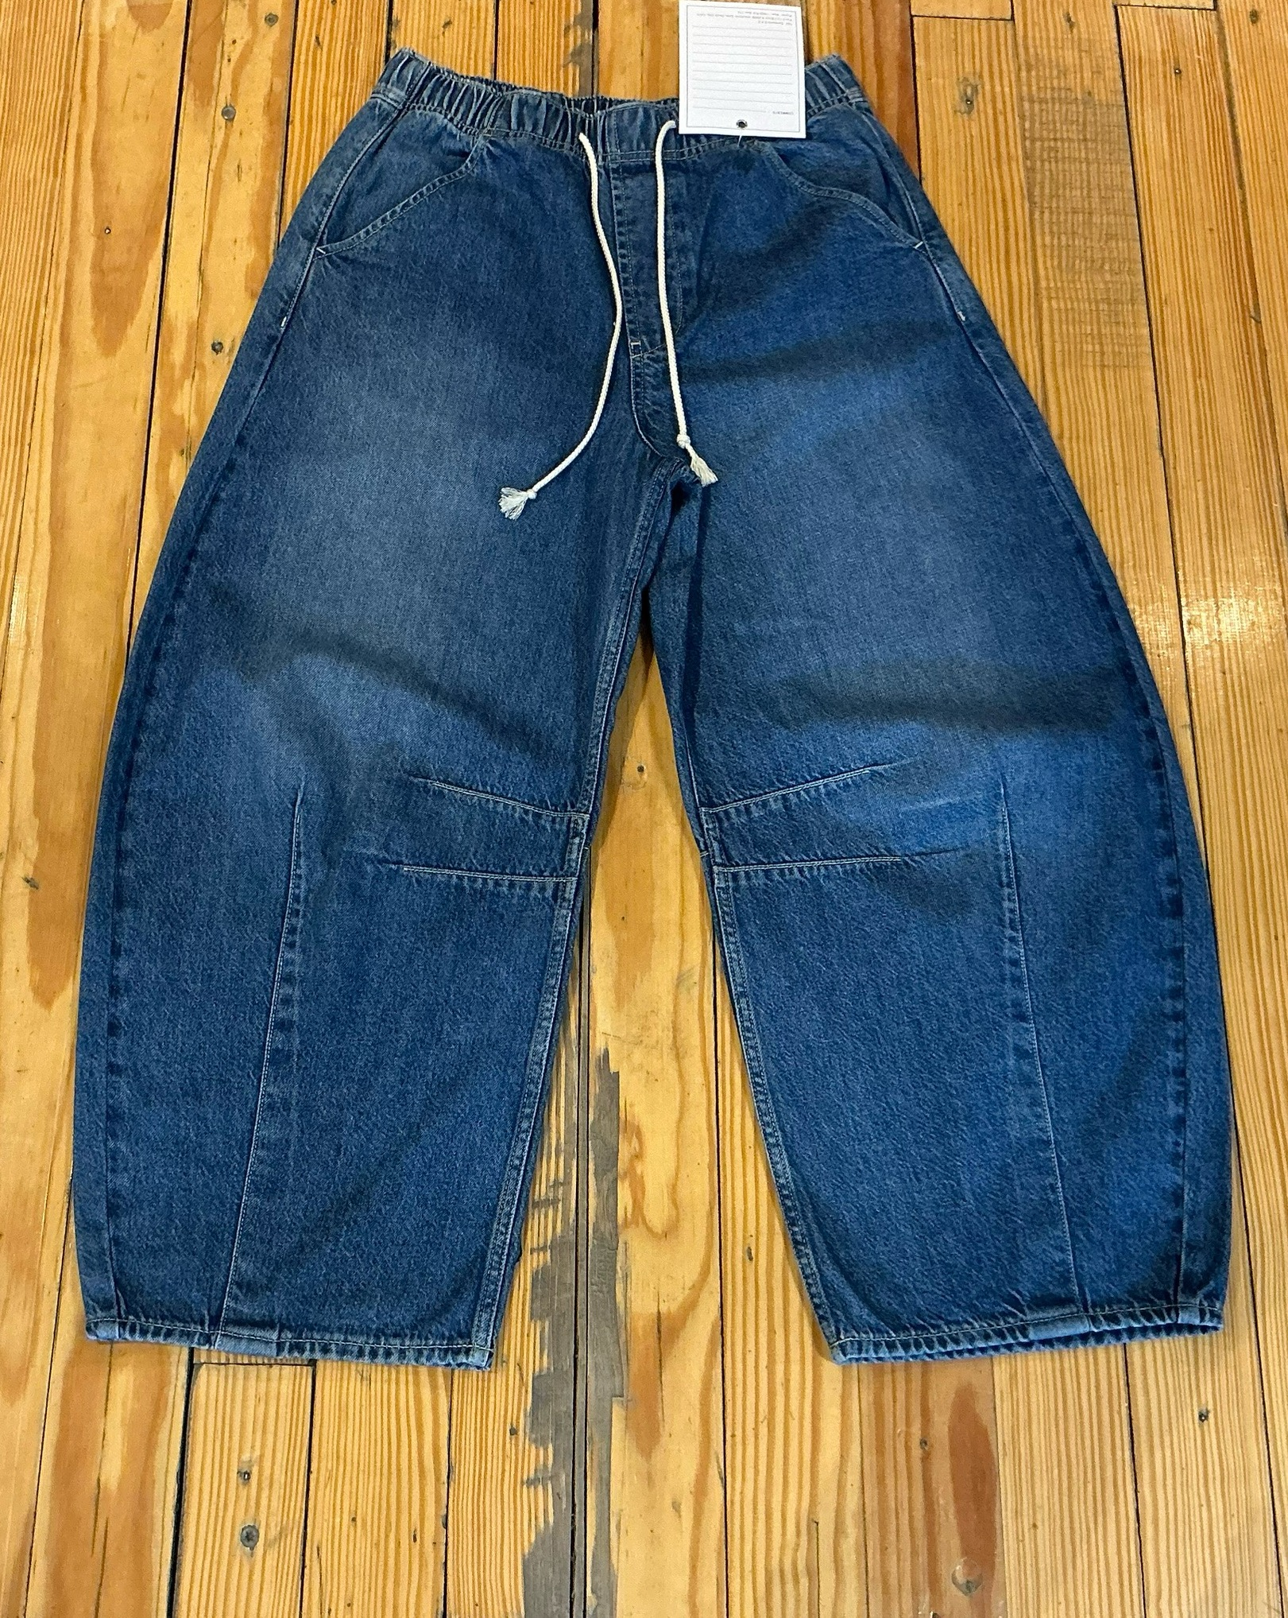
dcr
DATE | 2025-07-28 |  |  | WASH:CODE |  | GP.0009
FINISHER:CODE | WW MED GILAD |  |  |  |  | DRYPROCESS.AND WET PROCES
MODEL:CODE | D65325 RELAXED HORSESHOE MR PULL ON
SAP CODE | 60121211
FABRIC:CODE | ARVIND DENIM LAYS PCW TENCEL INDIGO
QUANTITY | 3 PCS
ROLL:CODE | ROLL:663902
FAB. WEIGHT
UNITS
TYPE MACHINE
DRYING TIME (Min.) :
COMMENTS:
PAGE | MID WASH |  |  | WASH:SUPERVISOR:ATIF HESSAM
 | E | of | 1 |  |  |  | Supplier | PH Value
ACTION | TIME | TEMP | Liters | AMT | UNITS | Chemicals
HAND SAND | WASH ASPER.ORJ

DESIZE | 5 | 40 | 60 | 1 | GRM | LAVA SPERSE
RINSE X2 | 2 | RT | 80 | 1 | GRM | LUBRICANT

COMBO ENZYM | 10 | 40 | 60 | 2 | GRM | NEUTRAL.ENZYM.ROYA ZYME
 |  |  |  | 10 | K/G | NEW STONE
RINSE x2 | 2 | RT | 80 | 0.5 | GRM | ROSPERSE

BLEACH | 5 | RT | 60 | 2 | K/G | HYPO
RINSE x2 | 2 | RT | 80 | 2 | GRM | COUSTIC SODA

NEUTRALIZATION | 5 | RT | 60 | 250 | GRM | PEROXIDE
RINSE x2 | 2 | RT | 80

EXTRACT&DRY | PP.SPRAY
PP/SPRAY |  |  |  | 5 | GRM | PERMENGANATE
 |  |  |  | 200 | GRM | HYPO
 |  |  |  | 800 | GRM | WATER

NEUTRALIZATION | 5 | 50 | 60 | 100 | GRM | ROYACTIVEX KS
RINSE x2 | 2 | RT | 80

CLEAN UP | 5 | RT | 60 | 2 | GRM | PEROXIDE
RINSE X2 | 2 |  | 80 | 1 | GRM | NEAR CAND OP EXTRA

BIOPOLISHING | 7 | 55 | 60 | 2 | GRM | LAVA CELL BNG
 |  |  |  | 20 | GRM | A.ACID. PH/55
RINSE | 2 | RT | 80

WASH.TINT | 5 | 40 | 60 | 2 | M/L | BROWN GGL
DRAIN |  |  |  | 150 | GRM | SALT

WASH SOFT | 5 | 35 | 60 | 2 | GRM | NEARSopht/WO3
EXTRACT&DRY |  |  |  | 30 | GRM | A.ACID. PH/5

